T5L CFG - HEX
T5LCFG_272480K_CRCon.CFG |  |  |  |  |  |  |  |  |  |  |  |  |  |  |  |  |  |  |  |  |  |  |  |  |  |  |  |  |  |  |  |  | COPY/PASTE VALUES CFG
Hex Address | 0 | 1 | 2 | 3 | 4 | 5 | 6 | 7 | 8 | 9 | a | b | c | d | e | f |  |  |  |  |  |  |  |  |  |  |  |  |  |  |  |  | Contents to A1:Q5 block
0000 0000 | 54 | 35 | 4c | 43 | 31 | bf | 0 | 10 | 20 | 28 | 0 | 1c | 64 | 0a | 33 | 40
0000 0010 | 00 | 00 | 00 | 00 | 00 | 00 | 00 | 00 | 00 | 00 | 00 | 00 | 00 | 00 | 00 | 00 |  |  |  |  |  |  |  |  |  |  |  |  |  |  |  |  | to Translate and Compare
0000 0020 | 00 | 00 | 14 | 00 | 00 | 00 | fe | 00 | 6e | 0b | b8 | 00 | f0 | 0a

Hex Address | 0i | 0ii | 1i | 1ii | 2i | 2ii | 3i | 3ii | 4i | 4ii | 5i | 5ii | 6i | 6ii | 7i | 7ii | 8i | 8ii | 9i | 9ii | ai | aii | bi | bii | ci | cii | di | dii | ei | eii | fi | fii
0000 0000 | 5 | 4 | 3 | 5 | 4 | c | 4 | 3 | 3 | 1 | b | f | 0 | 0 | 1 | 0 | 2 | 0 | 2 | 8 | 0 | 0 | 1 | c | 6 | 4 | 0 | a | 3 | 3 | 4 | 0
0000 0010 | 0 | 0 | 0 | 0 | 0 | 0 | 0 | 0 | 0 | 0 | 0 | 0 | 0 | 0 | 0 | 0 | 0 | 0 | 0 | 0 | 0 | 0 | 0 | 0 | 0 | 0 | 0 | 0 | 0 | 0 | 0 | 0
0000 0020 | 0 | 0 | 0 | 0 | 1 | 4 | 0 | 0 | 0 | 0 | 0 | 0 | f | e | 0 | 0 | 6 | e | 0 | b | b | 8 | 0 | 0 | f | 0 | 0 | a

Creality 2.1.0.3
Hex Address | 0 | 1 | 2 | 3 | 4 | 5 | 6 | 7 | 8 | 9 | a | b | c | d | e | f
0000 0000 | 54 | 35 | 4c | 43 | 31 | 1f | 00 | 10 | 20 | 28 | 00 | 1c | 64 | 00 | 0b | b8
0000 0010 | 00 | 00 | 00 | 00 | 00 | 00 | 00 | 00 | 00 | 00 | 00 | 00 | 00 | 00 | 00 | 00
0000 0020 | 00 | 00 | 14 | 00 | 00 | 00 | fe | 00 | 6e | 0b | b8 | 00 | f0 | 0a

Creality 2.1.0.8
Hex Address | 0 | 1 | 2 | 3 | 4 | 5 | 6 | 7 | 8 | 9 | a | b | c | d | e | f
0000 0000 | 54 | 35 | 4c | 43 | 31 | 1f | 00 | 10 | 20 | 28 | 00 | 1c | 64 | 0a | ea | 60
0000 0010 | 00 | 00 | 00 | 00 | 00 | 00 | 00 | 00 | 00 | 00 | 00 | 00 | 00 | 00 | 00 | 00
0000 0020 | 00 | 00 | 14 | 00 | 00 | 00 | fe | 00 | 6e | 0b | b8 | 00 | f0 | 0a

CR6Community and InsanityAutomation DWIN2.0 Bleeding
Hex Address | 0 | 1 | 2 | 3 | 4 | 5 | 6 | 7 | 8 | 9 | a | b | c | d | e | f
0000 0000 | 54 | 35 | 4c | 43 | 31 | 3b | 00 | 10 | 17 | 28 | 00 | 1c | 64 | 0a | 0b | b8
0000 0010 | 00 | 00 | 00 | 00 | 00 | 00 | 00 | 00 | 00 | 00 | 00 | 00 | 00 | 00 | 00 | 00
0000 0020 | 00 | 00 | 14 | 00 | 00 | 00 | fe | 00 | 6e | 0b | b8 | 00 | f0 | 0a

CALIBRATE SCREEN
Hex Address | 0 | 1 | 2 | 3 | 4 | 5 | 6 | 7 | 8 | 9 | a | b | c | d | e | f
0000 0000 | 54 | 35 | 4c | 43 | 31 | 38 | 00 | 10 | 17 | 28 | 00 | 1c | 64 | 0a | 0b | b8
0000 0010 | 00 | 00 | 00 | 00 | 00 | 00 | 00 | 00 | 00 | 00 | 00 | 00 | 00 | 00 | 00 | 00
0000 0020 | 5a | 0b | 14 | 00 | 00 | 00 | fe | 00 | 6e | 0b | b8 | 00 | f0 | 0a

T5LCFG_272480K.CFG
Hex Address | 0 | 1 | 2 | 3 | 4 | 5 | 6 | 7 | 8 | 9 | a | b | c | d | e | f
0000 0000 | 54 | 35 | 4c | 43 | 31 | 3f | 00 | 10 | 20 | 28 | 00 | 1c | 64 | 0a | 0b | b8
0000 0010 | 00 | 00 | 00 | 00 | 00 | 00 | 00 | 00 | 00 | 00 | 00 | 00 | 00 | 00 | 00 | 00
0000 0020 | 00 | 00 | 14 | 00 | 00 | 00 | 14 | 00 | 6e | 0b | b8 | 00 | f0 | 64

T5UID1.CFG
Hex Address | 0 | 1 | 2 | 3 | 4 | 5 | 6 | 7 | 8 | 9 | a | b | c | d | e | f
0000 0000 | 54 | 35 | 44 | 31 | 0 | 0 | 0 | 0 | b8 | 0 | 44 | 0 | 0 | 0 | 0 | 0
0000 0010 | 00 | 00 | 00 | 00 | 00 | 00 | 00 | 00 | 00 | 00 | 00 | 00 | 00 | 00 | 00 | 00
0000 0020 | 00 | 00 | 00 | 00 | 00 | 00 | 00 | 00 | 00 | 00 | 00 | 00 | 00 | 00 | 00 | 00

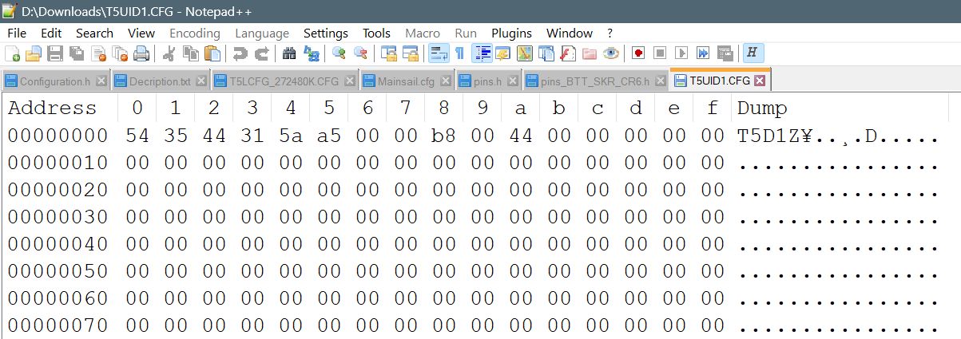
Flash-Reset T5UID1.CFG
Hex Address | 0 | 1 | 2 | 3 | 4 | 5 | 6 | 7 | 8 | 9 | a | b | c | d | e | f
0000 0000 | 54 | 35 | 44 | 31 | 5a | a5 | 0 | 0 | b8 | 0 | 44 | 0 | 0 | 0 | 0 | 0
0000 0010 | 00 | 00 | 00 | 00 | 00 | 00 | 00 | 00 | 00 | 00 | 00 | 00 | 00 | 00 | 00 | 00
0000 0020 | 00 | 00 | 00 | 00 | 00 | 00 | 00 | 00 | 00 | 00 | 00 | 00 | 00 | 00 | 00 | 00

T5LCFG_272480K_CRCon.CFG
Hex Address | 0 | 1 | 2 | 3 | 4 | 5 | 6 | 7 | 8 | 9 | a | b | c | d | e | f
0000 0000 | 54 | 35 | 4c | 43 | 31 | bf | 0 | 10 | 20 | 28 | 0 | 1c | 64 | 0a | 33 | 40
0000 0010 | 00 | 00 | 00 | 00 | 00 | 00 | 00 | 00 | 00 | 00 | 00 | 00 | 00 | 00 | 00 | 00
0000 0020 | 00 | 00 | 14 | 00 | 00 | 00 | fe | 00 | 6e | 0b | b8 | 00 | f0 | 0a

